Title
 |  | Version 10.1, 1 Apr 2025
National HIV Unit Cost Model
South Africa

Health Economics and Epidemiology Research Office (HE²RO)

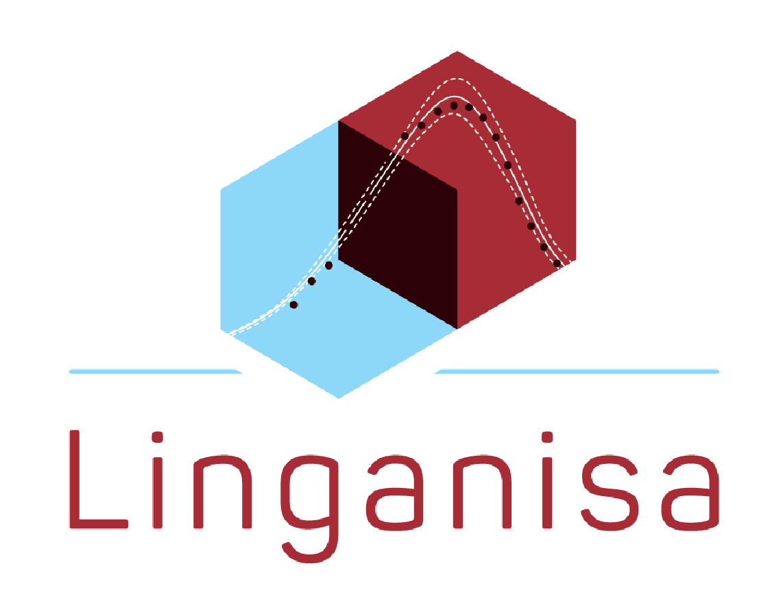

 | Lise Jamieson, Khumo Modiba, Gesine Meyer-Rath
 |  | Queries: gesine@bu.edu

Suggested citation:
Jamieson L, Modiba K, Meyer-Rath G (2024) National HIV Unit Cost Model, South Africa. Health Economics and Epidemiology Research Office, University of the Witwatersrand, Johannesburg.

